BOM - BILL OF Material
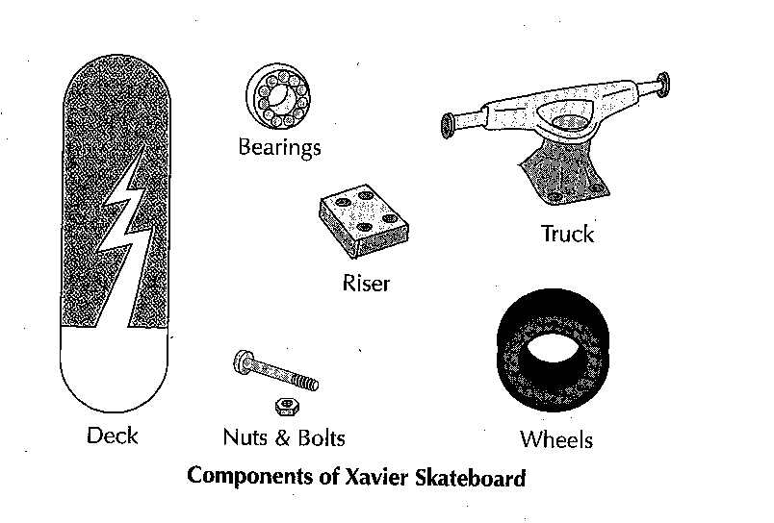
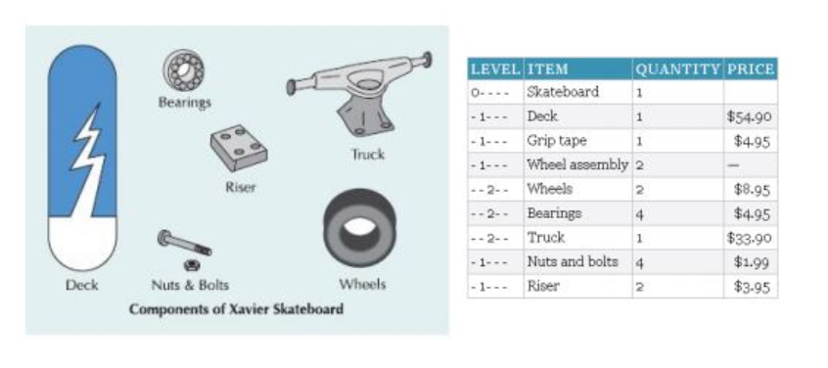
SKU | Level1Bom | Usage | Level1Description
SKATEBLACK#ABM | 1000-001 | 1 | DECK
 | 1001-001 | 1 | GRIP TAPE
 | 1002-001 | 2 | WHEELS AND TRUCK
 | 1003-001 | 1 | NUTS AND BOLTS
 | 1004-001 | 1 | RISER
 | 1007-001 | 1 | MVA
 | 1008-001 | 1 | BLACK PAINT
SKATERED#ABM | Level1Bom | Usage | Level1Description
 | 1000-001 | 1 | DECK
 | 1001-001 | 1 | GRIP TAPE
 | 1002-001 | 2 | WHEELS AND TRUCK
 | 1003-001 | 1 | NUTS AND BOLTS
 | 1004-001 | 1 | RISER
 | 1005-001 | 1 | MVA
 | 1006-001 | 1 | RED PAINT

FRAME SUPPLIER INFORMATION
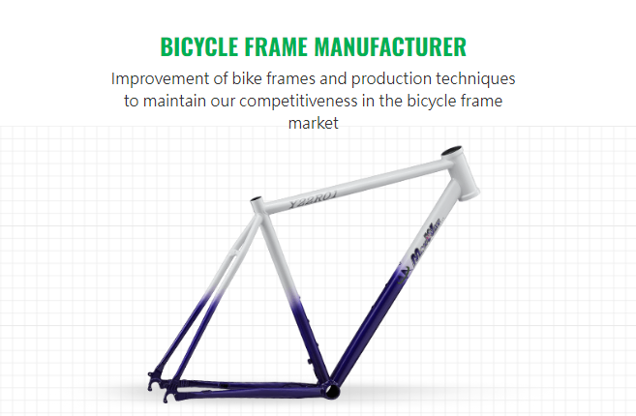

SINGLE REGIONAL FRAME SUPPLIER
MARKETSHARE | 100%
PROFITABILITY | 15%
SELL UNITS | APPROX 5000 | ANUALLY
REVENUE | UNKNOWN
PRODUCTS | 1 | FRAME WITHOUT PAINT

